Weight and Ballance
PERFORMANCE TABEL |  |  |  |  | LANDING |  |  |  |  |  | FUEL
 | DEPARTURE |  | DESTINATION |  | LANDING DISTANCE - AOM (to 50 ft) |  |  |  | 404 | % PWR | TIME |  | GALLON | GL/HR
ELEVATION | 146 |  | 146 |  | FLAPLESS LANDING DISTANCE |  |  |  | 867 |  |  | Taxi | 1.40
QNH | 1009 |  | 1009 |  | Dry grass (max 20 cm) |  |  | + 20% |  |  | 0 | Climb | 0.00
PRESSURE ALT | 266 |  | 266 |  | Wet grass (max 20 cm) |  |  | + 30% |  | 75 | 90 | Trip | 15.00 | 10
TAS (kts) |  |  |  |  | Dry solid snow or dry ice |  |  | + 20% |  | 75 | 9 | 10% cont. Fuel | 1.50 | 10
MP/RPM |  |  |  |  | Wet solid snow or wet ice |  |  | + 50% |  | 75 | 45 | Final reserve | 7.50 | 10
W/V | 180 | 15 | 180 | 15 | Runway downslope pr. 1% |  |  | + 5% |  | 75 | 30 | Alternate 1 | 5.00 | 10
EXPECTED RWY | 21 |  | 21 |  | BRAKING ACTION |  | MAX WXC | FACTOR |  |  | 174 | Min Block | 30.40
XWC max. 15 kts | 7.5 |  | 7.5 |  | ≥ .40 |  | 17 kts. | 0% |  | 55 | 105 | Extra | 13.60 | 7.8
HWC | 13.0 |  | 13.0 |  | .36 - .39 |  | 14 kts. | 25% |  |  | 279 | Endurance | 44.00
 |  |  |  |  | .30 - .35 |  | 11 kts. | 25% |  | Total usable fuel quantity:
MASS AND BALLANCE |  |  |  |  | .26 - .29 |  | 8 kts. | 50% |  | Full: 62 USG Filler neck 44 USG
 |  | MASS | ARM | BALANCE | ≤ .25 |  | 5 kts. | 50%
Empty mass | OY-JFB | 1671.00 | 38.16 | 63765 | CORRECTED LANDING DISTANCE |  |  |  | 404
Fuel ( -8,4 lbs) | 44 | 255.6 | 48.0 | 12269 | LANDING DISTANCE REQUIRED x 1,43 |  |  |  | 578
Front seats |  | 374.0 | 37.0 | 13838 | LANDING DISTANCE AVAILABLE (LDA) |  |  |  | 1500
Rear seats |  | 187.0 | 73.0 | 13651
Baggage area 1 (max 200 lbs) +5 |  | 5.0 | 95.0 | 475
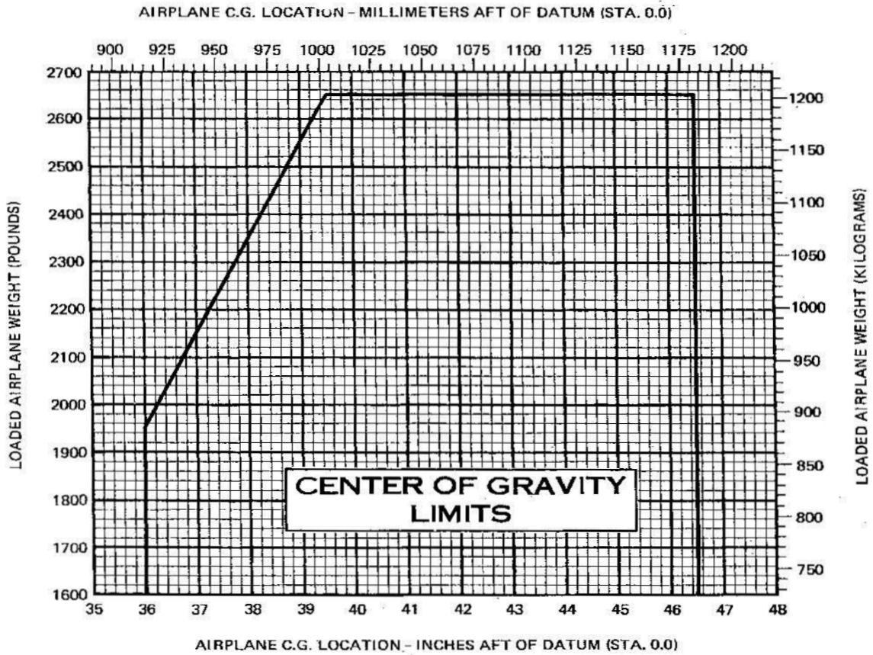
Baggage area 2 (max 50 lbs) |  | 0.0 | 115.0 | 0
TOM (MTOM 2650 lbs.) |  | 2492.6 | 41.7 | 103998
Fuel consumption |  | 98.4 | 48.0 | 4723.2 | 1 USG | = | 6 LBS
LM MLM 2650 lbs. |  | 2394.2 | 41.5 | 99275 | 1 KG | = | 2,2 LBS
ZFM |  | 2237.0 | 41.0 | 91729 | 1 M | = | 3,28 FT

TAKE-OFF
TAKE - OFF DISTANCE - AOM (to 50 ft.) |  |  |  | 455 | XWIND |  | Head Wind
RUNWAY CONDITIONS |  |  |  |  | Degrees: | SIN ≈ | Degrees: | COS ≈
Soft or long grass |  | + 50% |  |  | 10° | 0.2 | 10° | 1
Solid with short grass (5-10 cm) |  | + 10% |  |  | 20° | 0.4 | 20° | 0.9
Water or slush (max. 2,5 cm) |  | + 20% pr. cm |  |  | 30° | 0.5 | 30° | 0.9
Wet snow (max. 5 cm) |  | + 10% pr. cm |  |  | 40° | 0.7 | 40° | 0.8
Dry snow (max. 10 cm) |  | + 5% pr. cm |  |  | 50° | 0.8 | 50° | 0.7
Runway upslope |  | + 5% pr. 1% |  |  | 60° | 0.9 | 60° | 0.5
CORRECTED TAKE - OFF DISTANCE |  |  |  | 455 | 70° | 0.9 | 70° | 0.4
TAKE - OFF DISTANCE REQUIRED (TORA) x 1,25 |  |  |  | 569 | 80° | 0.9 | 80° | 0.2
TAKE - OFF DISTANCE AVALIBLE (TODA) |  |  |  | 1500 | 90° | 1 | 90° | 0

PERFORMANCE
Va (LM) = 111 x √ ( 2394,2 / 2650 ) = |  |  | 113

Performance charts
TAKE-OFF
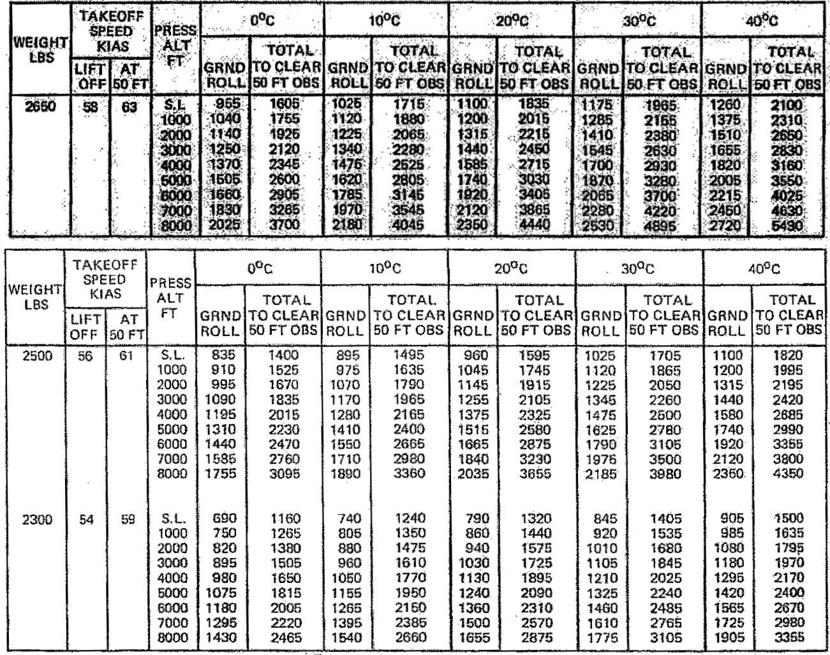

LANDING

